Sheet1
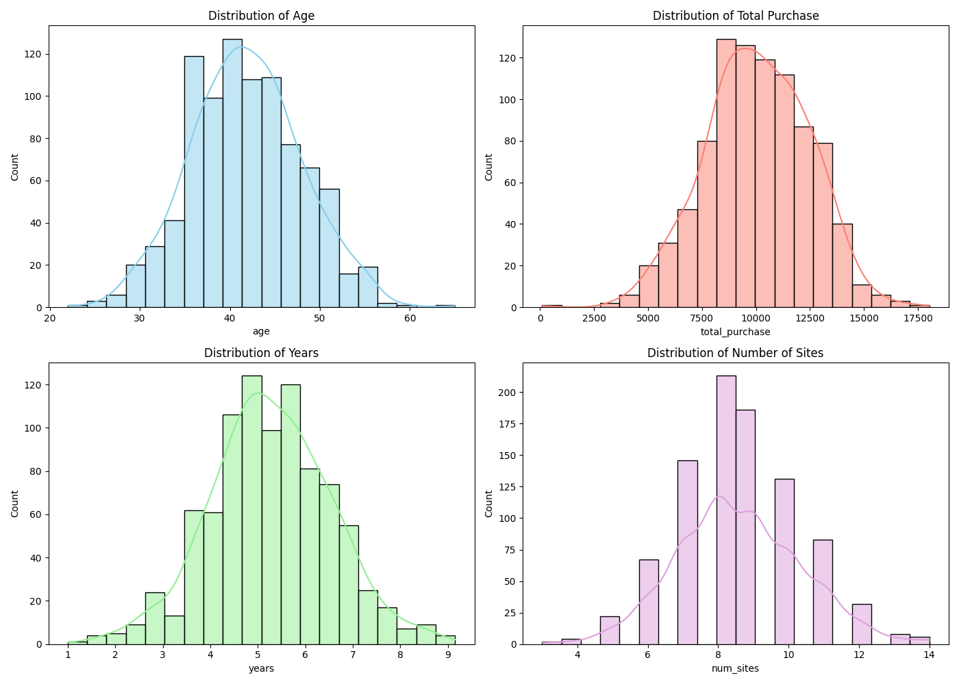
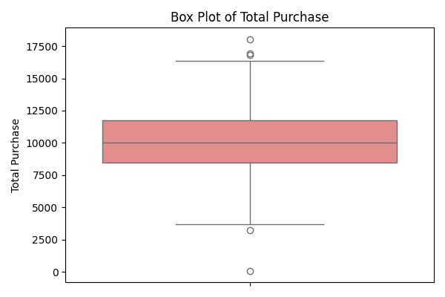

 |  |  |  |  | Statistic | Value
 |  |  |  |  | Q1 (25th percentile) | 8497.12
 |  |  |  |  | Q2 (Median) | 10045.87
 |  |  |  |  | Q3 (75th percentile) | 11760.1
 |  |  |  |  | Mean | 10062.82
 |  |  |  |  | Std Deviation | 2408.64

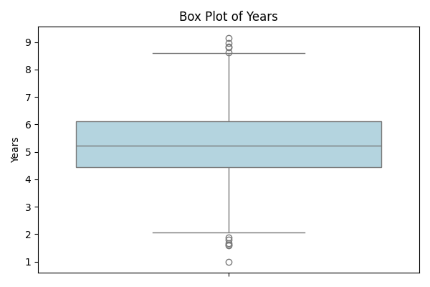
 |  |  |  | Statistic

 |  |  |  |  | Statistic | Value
 |  |  |  |  | Q1 (25th percentile) | 4.45
 |  |  |  |  | Q2 (Median) | 5.22
 |  |  |  |  | Q3 (75th percentile) | 6.11
 |  |  |  |  | Mean | 5.27
 |  |  |  |  | Std Deviation | 1.27

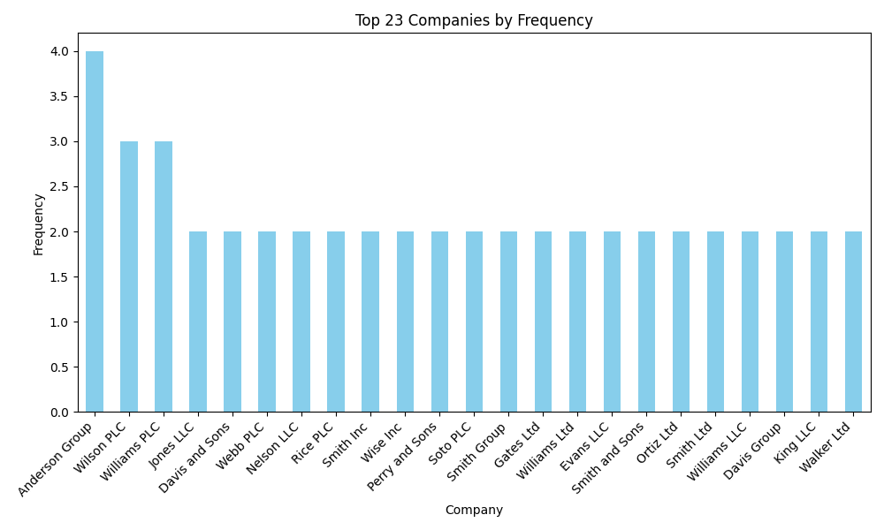
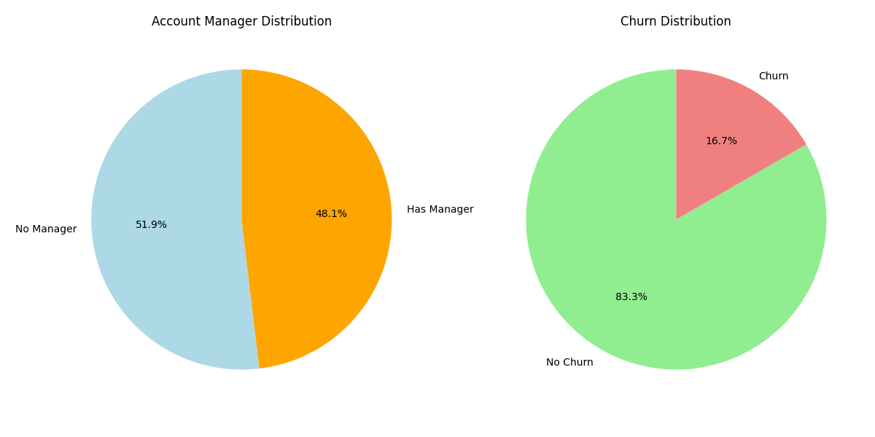

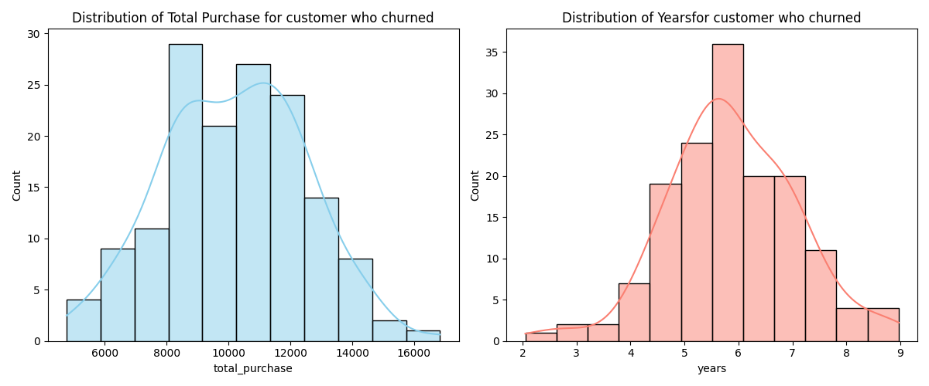
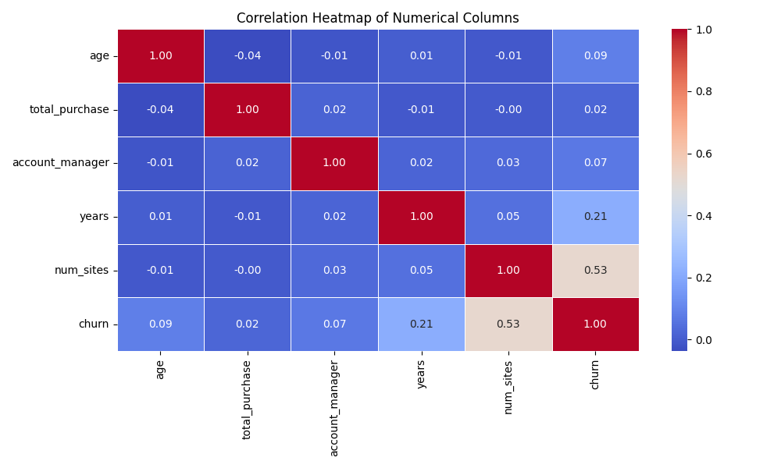

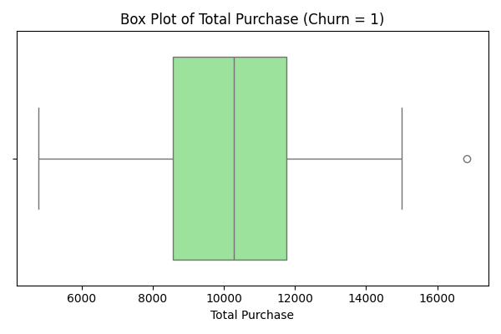
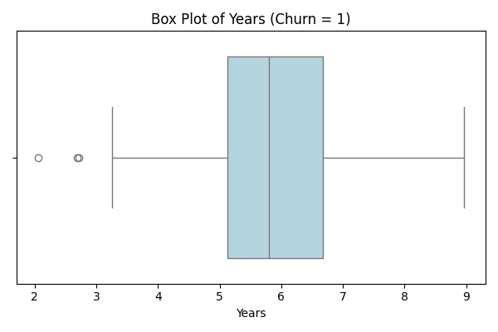

Statistic | Value | Statistic | Value
Q1 (25%) | 8572.68 | Q1 (25%) | 5.13
Q2 (Median - 50%) | 10273.76 | Q2 (Median - 50%) | 5.8
Q3 (75%) | 11754.02 | Q3 (75%) | 6.68
Mean | 10192.18 | Mean | 5.88
Standard Deviation | 2283.59 | Standard Deviation | 1.2

